Sheet1
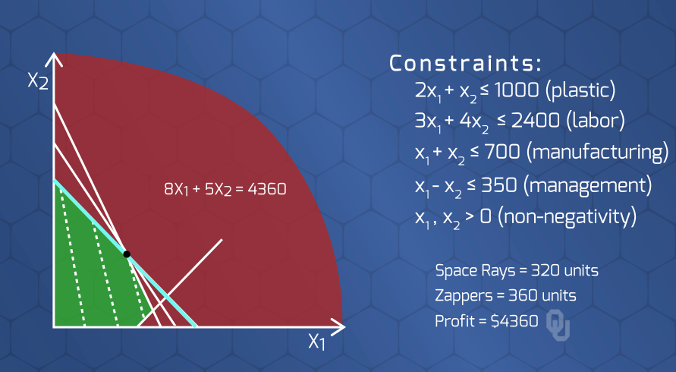
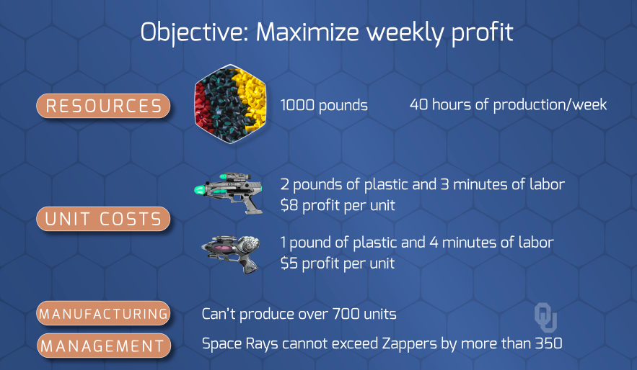
 | Product 1 | Product 2 | Total |  | Capacity
Num Products | 320 | 360 | 680 | <= | 700
Dif in Product Count |  | 40 | 40 | <= | 350

 | Product 1 | Product 2 |  |  | Profit
Profit per Product | 8 | 5 |  |  | 4360

 | Product 1 | Product 2 | Total |  | Capacity
Pounds | 2 | 1 | 1000 | <= | 1000
Minutes | 3 | 4 | 2400 | <= | 2400

